Foglio1
TRADEMARK | GENDER | PICTURE | LINE CODE | STYLE CODE | COLOR CODE | COLOR NAME | QTY PAIRS | WHS | TOTALE | 35 | 36 | 37 | 38 | 39 | 40 | 41 | 42 | 43 | 44 | 45 | 46
BLAUER | MEN | 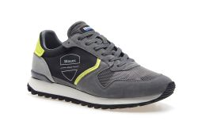 | DIXON | S3DIXON01/CAM | BKY | BLACK/YELLOW | 48 | 53.20 € | 2,553.60 € |  |  |  |  |  | 6 | 12 | 12 | 12 | 6
BLAUER | MEN |  | DIXON | S3DIXON01/CAM | BKY | BLACK/YELLOW | 96 | 53.20 € | 5,107.20 € |  |  |  |  |  | 12 | 12 | 24 | 24 | 12 | 12
BLAUER | MEN |  | DIXON | S3DIXON01/CAM | BKY | BLACK/YELLOW | 30 | 53.20 € | 1,596.00 € |  |  |  |  |  | 3 | 6 | 6 | 6 | 6 | 3
BLAUER | MEN |  | DIXON | S3DIXON01/CAM | BKY | BLACK/YELLOW | 60 | 53.20 € | 3,192.00 € |  |  |  |  |  | 5 | 10 | 15 | 15 | 10 | 5
BLAUER | MEN |  | DIXON | S3DIXON01/CAM | BKY | BLACK/YELLOW | 36 | 53.20 € | 1,915.20 € |  |  |  |  |  |  | 3 | 6 | 9 | 9 | 6 | 3
BLAUER | MEN | 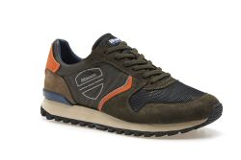 | DIXON | S3DIXON01/CAM | MIL | MILITARY GREEN | 60 | 53.20 € | 3,192.00 € |  |  |  |  |  | 6 | 12 | 12 | 12 | 12 | 6
BLAUER | MEN |  | DIXON | S3DIXON01/CAM | MIL | MILITARY GREEN | 12 | 53.20 € | 638.40 € |  |  |  |  |  |  | 1 | 2 | 3 | 3 | 2 | 1
BLAUER | MEN | 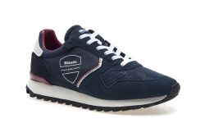 | DIXON | S3DIXON01/CAM | NVW | NAVY/WHITE | 40 | 53.20 € | 2,128.00 € |  |  |  |  |  | 5 | 10 | 10 | 10 | 5
BLAUER | MEN |  | DIXON | S3DIXON01/CAM | NVW | NAVY/WHITE | 264 | 53.20 € | 14,044.80 € |  |  |  |  |  | 33 | 33 | 66 | 66 | 33 | 33
BLAUER | MEN |  | DIXON | S3DIXON01/CAM | NVW | NAVY/WHITE | 60 | 53.20 € | 3,192.00 € |  |  |  |  |  | 6 | 12 | 12 | 12 | 12 | 6
BLAUER | MEN |  | DIXON | S3DIXON01/CAM | NVW | NAVY/WHITE | 84 | 53.20 € | 4,468.80 € |  |  |  |  |  |  | 7 | 14 | 21 | 21 | 14 | 7
BLAUER | MEN |  | DIXON | S3DIXON01/CAM | NVW | NAVY/WHITE | 10 | 53.20 € | 532.00 € |  |  |  |  |  | 2 | 3 | 3 | 2
BLAUER | MEN | 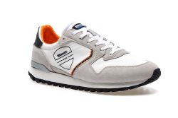 | DIXON | S3DIXON01/NYS | WHI | WHITE | 40 | 53.20 € | 2,128.00 € |  |  |  |  |  |  | 5 | 5 | 10 | 10 | 5 | 5
BLAUER | MEN |  | DIXON | S3DIXON01/NYS | WHI | WHITE | 8 | 53.20 € | 425.60 € |  |  |  |  |  | 1 | 2 | 2 | 2 | 1
BLAUER | MEN |  | DIXON | S3DIXON01/NYS | WHI | WHITE | 64 | 53.20 € | 3,404.80 € |  |  |  |  |  | 8 | 8 | 16 | 16 | 8 | 8
BLAUER | MEN |  | DIXON | S3DIXON01/NYS | WHI | WHITE | 50 | 53.20 € | 2,660.00 € |  |  |  |  |  | 5 | 10 | 10 | 10 | 10 | 5
BLAUER | MEN |  | DIXON | S3DIXON01/NYS | WHI | WHITE | 24 | 53.20 € | 1,276.80 € |  |  |  |  |  | 2 | 4 | 6 | 6 | 4 | 2
BLAUER | MEN | 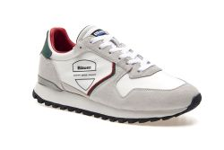 | DIXON | S3DIXON01/NYS | WRG | WHITE/RED/GREEN | 16 | 53.20 € | 851.20 € |  |  |  |  |  | 2 | 2 | 4 | 4 | 2 | 2
BLAUER | MEN |  | DIXON | S3DIXON01/NYS | WRG | WHITE/RED/GREEN | 20 | 53.20 € | 1,064.00 € |  |  |  |  |  | 2 | 4 | 4 | 4 | 4 | 2
BLAUER | MEN |  | DIXON | S3DIXON01/NYS | WRG | WHITE/RED/GREEN | 24 | 53.20 € | 1,276.80 € |  |  |  |  |  | 2 | 4 | 6 | 6 | 4 | 2
BLAUER | MEN |  | DIXON | S3DIXON01/NYS | WRG | WHITE/RED/GREEN | 20 | 53.20 € | 1,064.00 € |  |  |  |  |  | 4 | 6 | 6 | 4
BLAUER | WOMEN | 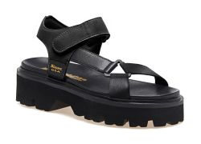 | ELSIE | S3ELSIE07/LEA | BLK | BLACK | 120 | 59.90 € | 7,188.00 € |  | 15 | 30 | 30 | 30 | 15
BLAUER | WOMEN |  | ELSIE | S3ELSIE07/LEA | BLK | BLACK | 32 | 59.90 € | 1,916.80 € |  | 4 | 4 | 8 | 8 | 4 | 4
BLAUER | WOMEN | 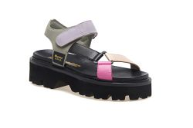 | ELSIE | S3ELSIE07/LEA | FAN/BLK | FANTASY/BLACK | 56 | 59.90 € | 3,354.40 € |  | 7 | 14 | 14 | 14 | 7
BLAUER | WOMEN |  | ELSIE | S3ELSIE07/LEA | FAN/BLK | FANTASY/BLACK | 32 | 59.90 € | 1,916.80 € |  | 4 | 4 | 8 | 8 | 4 | 4
BLAUER | WOMEN |  | ELSIE | S3ELSIE07/LEA | FAN/BLK | FANTASY/BLACK | 60 | 59.90 € | 3,594.00 € |  | 6 | 12 | 12 | 12 | 12 | 6
BLAUER | WOMEN |  | ELSIE | S3ELSIE07/LEA | FAN/BLK | FANTASY/BLACK | 48 | 59.90 € | 2,875.20 € |  | 4 | 8 | 12 | 12 | 8 | 4
BLAUER | WOMEN |  | ELSIE | S3ELSIE07/LEA | FAN/BLK | FANTASY/BLACK | 20 | 59.90 € | 1,198.00 € |  |  | 2 | 4 | 4 | 4 | 4 | 2
BLAUER | WOMEN |  | ELSIE | S3ELSIE07/LEA | FAN/BLK | FANTASY/BLACK | 10 | 59.90 € | 599.00 € |  | 1 | 3 | 3 | 2 | 1
BLAUER | WOMEN | 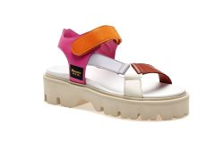 | ELSIE | S3ELSIE07/LEA | FAN/WHI | FANTASY/WHITE | 24 | 59.90 € | 1,437.60 € |  | 3 | 3 | 6 | 6 | 3 | 3
BLAUER | WOMEN |  | ELSIE | S3ELSIE07/LEA | FAN/WHI | FANTASY/WHITE | 50 | 59.90 € | 2,995.00 € |  | 5 | 10 | 10 | 10 | 10 | 5
BLAUER | WOMEN |  | ELSIE | S3ELSIE07/LEA | FAN/WHI | FANTASY/WHITE | 48 | 59.90 € | 2,875.20 € |  | 4 | 8 | 12 | 12 | 8 | 4
BLAUER | WOMEN |  | ELSIE | S3ELSIE07/LEA | FAN/WHI | FANTASY/WHITE | 8 | 59.90 € | 479.20 € |  |  | 1 | 2 | 2 | 2 | 1
BLAUER | WOMEN | 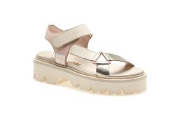 | ELSIE | S3ELSIE07/LEA | NUD/PLA | NUDE/PLATINO | 56 | 59.90 € | 3,354.40 € |  | 7 | 14 | 14 | 14 | 7
BLAUER | WOMEN |  | ELSIE | S3ELSIE07/LEA | NUD/PLA | NUDE/PLATINO | 8 | 59.90 € | 479.20 € |  | 1 | 1 | 2 | 2 | 1 | 1
BLAUER | WOMEN |  | ELSIE | S3ELSIE07/LEA | NUD/PLA | NUDE/PLATINO | 84 | 59.90 € | 5,031.60 € |  | 7 | 14 | 21 | 21 | 14 | 7
BLAUER | WOMEN | 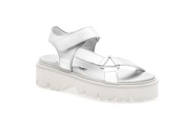 | ELSIE | S3ELSIE07/LEA | WHI | WHITE | 8 | 59.90 € | 479.20 € |  | 1 | 1 | 2 | 2 | 1 | 1
BLAUER | MEN | 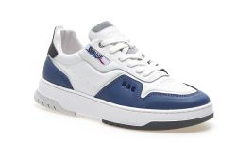 | HARPER | S3HARPER07/LEA | WNY | WHITE/NAVY | 10 | 66.50 € | 665.00 € |  |  |  |  |  | 2 | 3 | 3 | 2
BLAUER | MEN | 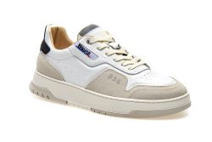 | HARPER | S3HARPER07/LES | WBK | WHITE/BLACK | 8 | 66.50 € | 532.00 € |  |  |  |  |  |  | 1 | 1 | 2 | 2 | 1 | 1
BLAUER | MEN |  | HARPER | S3HARPER07/LES | WBK | WHITE/BLACK | 16 | 66.50 € | 1,064.00 € |  |  |  |  |  | 2 | 4 | 4 | 4 | 2
BLAUER | MEN |  | HARPER | S3HARPER07/LES | WBK | WHITE/BLACK | 48 | 66.50 € | 3,192.00 € |  |  |  |  |  | 6 | 6 | 12 | 12 | 6 | 6
BLAUER | MEN |  | HARPER | S3HARPER07/LES | WBK | WHITE/BLACK | 290 | 66.50 € | 19,285.00 € |  |  |  |  |  | 29 | 58 | 58 | 58 | 58 | 29
BLAUER | MEN |  | HARPER | S3HARPER07/LES | WBK | WHITE/BLACK | 12 | 66.50 € | 798.00 € |  |  |  |  |  | 1 | 2 | 3 | 3 | 2 | 1
BLAUER | MEN | 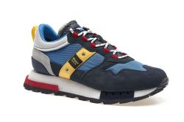 | HERON | S3HERON01/COD | AVI/RED | AVIO/RED | 8 | 71.00 € | 568.00 € |  |  |  |  |  | 1 | 1 | 2 | 2 | 1 | 1
BLAUER | MEN | 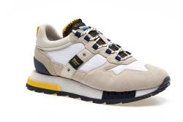 | HERON | S3HERON01/COD | WHI/YEL | WHITE/YELLOW | 32 | 71.00 € | 2,272.00 € |  |  |  |  |  | 4 | 4 | 8 | 8 | 4 | 4
BLAUER | MEN |  | HERON | S3HERON01/COD | WHI/YEL | WHITE/YELLOW | 20 | 71.00 € | 1,420.00 € |  |  |  |  |  | 2 | 4 | 4 | 4 | 4 | 2
BLAUER | MEN |  | HERON | S3HERON01/COD | WHI/YEL | WHITE/YELLOW | 36 | 71.00 € | 2,556.00 € |  |  |  |  |  | 3 | 6 | 9 | 9 | 6 | 3
BLAUER | MEN |  | HERON | S3HERON01/COD | WHI/YEL | WHITE/YELLOW | 10 | 71.00 € | 710.00 € |  |  |  |  |  |  | 1 | 2 | 2 | 2 | 2 | 1
BLAUER | MEN | 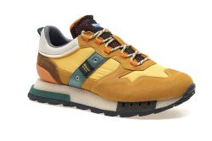 | HERON | S3HERON01/COD | YEL/GRE | YELLOW/GREEN | 8 | 71.00 € | 568.00 € |  |  |  |  |  | 1 | 2 | 2 | 2 | 1
BLAUER | MEN |  | HERON | S3HERON01/COD | YEL/GRE | YELLOW/GREEN | 16 | 71.00 € | 1,136.00 € |  |  |  |  |  | 2 | 2 | 4 | 4 | 2 | 2
BLAUER | WOMEN | 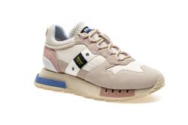 | HOUMA | S3HOUMA01/COD | CRE/LTB | CREAM/LIGHT BLUE | 8 | 71.00 € | 568.00 € |  | 1 | 2 | 2 | 2 | 1
BLAUER | WOMEN |  | HOUMA | S3HOUMA01/COD | CRE/LTB | CREAM/LIGHT BLUE | 30 | 71.00 € | 2,130.00 € |  | 3 | 6 | 6 | 6 | 6 | 3
BLAUER | WOMEN |  | HOUMA | S3HOUMA01/COD | CRE/LTB | CREAM/LIGHT BLUE | 12 | 71.00 € | 852.00 € |  | 1 | 2 | 3 | 3 | 2 | 1
BLAUER | WOMEN |  | HOUMA | S3HOUMA01/COD | CRE/LTB | CREAM/LIGHT BLUE | 8 | 71.00 € | 568.00 € |  |  | 1 | 2 | 2 | 2 | 1
BLAUER | WOMEN | 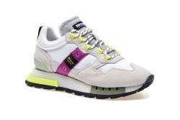 | HOUMA | S3HOUMA01/COD | FAN/ICE | FANTASY/ICE | 24 | 71.00 € | 1,704.00 € |  | 3 | 6 | 6 | 6 | 3
BLAUER | WOMEN |  | HOUMA | S3HOUMA01/COD | FAN/ICE | FANTASY/ICE | 32 | 71.00 € | 2,272.00 € |  | 4 | 4 | 8 | 8 | 4 | 4
BLAUER | WOMEN |  | HOUMA | S3HOUMA01/COD | FAN/ICE | FANTASY/ICE | 10 | 71.00 € | 710.00 € |  | 1 | 2 | 2 | 2 | 2 | 1
BLAUER | WOMEN |  | HOUMA | S3HOUMA01/COD | FAN/ICE | FANTASY/ICE | 24 | 71.00 € | 1,704.00 € |  |  | 2 | 4 | 6 | 6 | 4 | 2
BLAUER | WOMEN |  | HOUMA | S3HOUMA01/COD | FAN/ICE | FANTASY/ICE | 16 | 71.00 € | 1,136.00 € |  |  | 2 | 4 | 4 | 4 | 2
BLAUER | WOMEN |  | HOUMA | S3HOUMA01/COD | FAN/ICE | FANTASY/ICE | 10 | 71.00 € | 710.00 € |  | 1 | 3 | 3 | 2 | 1
BLAUER | WOMEN | 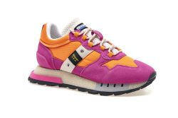 | HOUMA | S3HOUMA01/COD | FUX/ORA | FUXIA/ORANGE | 40 | 71.00 € | 2,840.00 € |  | 5 | 10 | 10 | 10 | 5
BLAUER | WOMEN |  | HOUMA | S3HOUMA01/COD | FUX/ORA | FUXIA/ORANGE | 10 | 71.00 € | 710.00 € |  | 1 | 2 | 2 | 2 | 2 | 1
BLAUER | WOMEN | 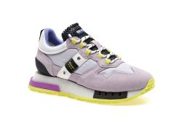 | HOUMA | S3HOUMA01/COD | LIL/NEO | LILAC/NEO | 8 | 71.00 € | 568.00 € |  | 1 | 2 | 2 | 2 | 1
BLAUER | WOMEN |  | HOUMA | S3HOUMA01/COD | LIL/NEO | LILAC/NEO | 12 | 71.00 € | 852.00 € |  | 1 | 2 | 3 | 3 | 2 | 1
BLAUER | WOMEN |  | HOUMA | S3HOUMA01/COD | LIL/NEO | LILAC/NEO | 24 | 71.00 € | 1,704.00 € |  |  | 2 | 4 | 6 | 6 | 4 | 2
BLAUER | WOMEN | 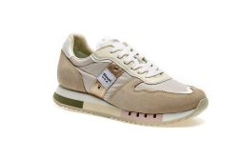 | MELROSE | S3MELROSE02/NYS | FAN/BEI | FANTASY/BEIGE | 8 | 62.10 € | 496.80 € |  | 1 | 2 | 2 | 2 | 1
BLAUER | WOMEN |  | MELROSE | S3MELROSE02/NYS | FAN/BEI | FANTASY/BEIGE | 24 | 62.10 € | 1,490.40 € |  | 3 | 3 | 6 | 6 | 3 | 3
BLAUER | WOMEN |  | MELROSE | S3MELROSE02/NYS | FAN/BEI | FANTASY/BEIGE | 60 | 62.10 € | 3,726.00 € |  |  | 5 | 10 | 15 | 15 | 10 | 5
BLAUER | WOMEN | 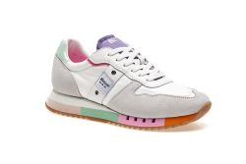 | MELROSE | S3MELROSE02/NYS | FAN/ICE | FANTASY/ICE | 24 | 62.10 € | 1,490.40 € |  |  | 2 | 4 | 6 | 6 | 4 | 2
BLAUER | WOMEN | 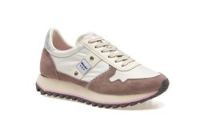 | MILLEN | S3MILLEN01/NYP | MAU | MAUVE | 128 | 57.70 € | 7,385.60 € |  | 16 | 32 | 32 | 32 | 16
BLAUER | WOMEN |  | MILLEN | S3MILLEN01/NYP | MAU | MAUVE | 24 | 57.70 € | 1,384.80 € |  | 3 | 3 | 6 | 6 | 3 | 3
BLAUER | WOMEN |  | MILLEN | S3MILLEN01/NYP | MAU | MAUVE | 50 | 57.70 € | 2,885.00 € |  | 5 | 10 | 10 | 10 | 10 | 5
BLAUER | WOMEN |  | MILLEN | S3MILLEN01/NYP | MAU | MAUVE | 96 | 57.70 € | 5,539.20 € |  | 8 | 16 | 24 | 24 | 16 | 8
BLAUER | WOMEN |  | MILLEN | S3MILLEN01/NYP | MAU | MAUVE | 48 | 57.70 € | 2,769.60 € |  |  | 6 | 12 | 12 | 12 | 6
BLAUER | WOMEN |  | MILLEN | S3MILLEN01/NYP | MAU | MAUVE | 8 | 57.70 € | 461.60 € | 1 | 1 | 2 | 2 | 1 | 1
BLAUER | WOMEN | 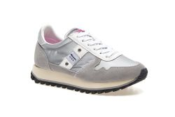 | MILLEN | S3MILLEN01/NYP | SIL | SILVER | 88 | 57.70 € | 5,077.60 € |  | 11 | 22 | 22 | 22 | 11
BLAUER | WOMEN |  | MILLEN | S3MILLEN01/NYP | SIL | SILVER | 16 | 57.70 € | 923.20 € |  | 2 | 2 | 4 | 4 | 2 | 2
BLAUER | WOMEN |  | MILLEN | S3MILLEN01/NYP | SIL | SILVER | 10 | 57.70 € | 577.00 € |  | 1 | 2 | 2 | 2 | 2 | 1
BLAUER | WOMEN |  | MILLEN | S3MILLEN01/NYP | SIL | SILVER | 10 | 57.70 € | 577.00 € |  | 1 | 3 | 3 | 2 | 1
BLAUER | WOMEN |  | MILLEN | S3MILLEN01/NYP | SIL | SILVER | 8 | 57.70 € | 461.60 € | 1 | 1 | 2 | 2 | 1 | 1
BLAUER | WOMEN | 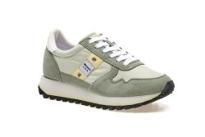 | MILLEN | S3MILLEN01/NYS | AQU/YEL | AQUA/YELLOW | 16 | 57.70 € | 923.20 € |  | 2 | 4 | 4 | 4 | 2
BLAUER | WOMEN |  | MILLEN | S3MILLEN01/NYS | AQU/YEL | AQUA/YELLOW | 8 | 57.70 € | 461.60 € |  | 1 | 1 | 2 | 2 | 1 | 1
BLAUER | WOMEN |  | MILLEN | S3MILLEN01/NYS | AQU/YEL | AQUA/YELLOW | 50 | 57.70 € | 2,885.00 € |  | 5 | 10 | 10 | 10 | 10 | 5
BLAUER | WOMEN |  | MILLEN | S3MILLEN01/NYS | AQU/YEL | AQUA/YELLOW | 84 | 57.70 € | 4,846.80 € |  | 7 | 14 | 21 | 21 | 14 | 7
BLAUER | WOMEN |  | MILLEN | S3MILLEN01/NYS | AQU/YEL | AQUA/YELLOW | 12 | 57.70 € | 692.40 € |  |  | 1 | 2 | 3 | 3 | 2 | 1
BLAUER | WOMEN | 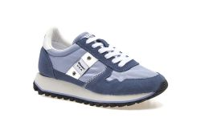 | MILLEN | S3MILLEN01/NYS | LTB | LIGHT BLUE | 24 | 57.70 € | 1,384.80 € |  | 3 | 6 | 6 | 6 | 3
BLAUER | WOMEN |  | MILLEN | S3MILLEN01/NYS | LTB | LIGHT BLUE | 30 | 57.70 € | 1,731.00 € |  | 3 | 6 | 6 | 6 | 6 | 3
BLAUER | WOMEN |  | MILLEN | S3MILLEN01/NYS | LTB | LIGHT BLUE | 60 | 57.70 € | 3,462.00 € |  | 5 | 10 | 15 | 15 | 10 | 5
BLAUER | WOMEN |  | MILLEN | S3MILLEN01/NYS | LTB | LIGHT BLUE | 24 | 57.70 € | 1,384.80 € |  |  | 2 | 4 | 6 | 6 | 4 | 2
BLAUER | WOMEN |  | MILLEN | S3MILLEN01/NYS | LTB | LIGHT BLUE | 10 | 57.70 € | 577.00 € |  |  | 1 | 2 | 2 | 2 | 2 | 1
BLAUER | WOMEN |  | MILLEN | S3MILLEN01/NYS | LTB | LIGHT BLUE | 8 | 57.70 € | 461.60 € |  |  | 1 | 2 | 2 | 2 | 1
BLAUER | WOMEN | 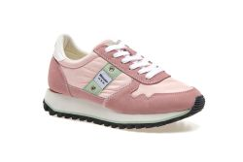 | MILLEN | S3MILLEN01/NYS | PIN/AQU | PINK/AQUA | 36 | 57.70 € | 2,077.20 € |  |  | 3 | 6 | 9 | 9 | 6 | 3
BLAUER | WOMEN |  | MILLEN | S3MILLEN01/NYS | PIN/AQU | PINK/AQUA | 10 | 57.70 € | 577.00 € |  |  | 1 | 2 | 2 | 2 | 2 | 1
BLAUER | WOMEN |  | MILLEN | S3MILLEN01/NYS | PIN/AQU | PINK/AQUA | 16 | 57.70 € | 923.20 € |  |  | 2 | 4 | 4 | 4 | 2
BLAUER | WOMEN | 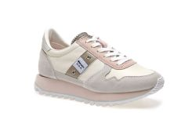 | MILLEN | S3MILLEN01/NYT | WHN | WHITE/NUDE | 32 | 57.70 € | 1,846.40 € |  | 4 | 4 | 8 | 8 | 4 | 4
BLAUER | WOMEN |  | MILLEN | S3MILLEN01/NYT | WHN | WHITE/NUDE | 10 | 57.70 € | 577.00 € |  | 1 | 2 | 2 | 2 | 2 | 1
BLAUER | WOMEN |  | MILLEN | S3MILLEN01/NYT | WHN | WHITE/NUDE | 60 | 57.70 € | 3,462.00 € |  | 5 | 10 | 15 | 15 | 10 | 5
BLAUER | WOMEN | 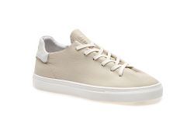 | SUGAR | S3SUGAR01/LEA | NAT | NATURAL | 8 | 71.00 € | 568.00 € |  | 1 | 2 | 2 | 2 | 1
BLAUER | WOMEN |  | SUGAR | S3SUGAR01/LEA | NAT | NATURAL | 10 | 71.00 € | 710.00 € |  | 1 | 2 | 2 | 2 | 2 | 1
BLAUER | MEN | 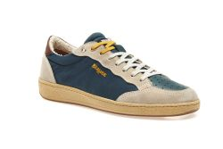 | MURRAY | S3MURRAY01/CSL | GRE/BEI | GREEN/BEIGE | 96 | 71.00 € | 6,816.00 € |  |  |  |  |  |  | 12 | 12 | 24 | 24 | 12 | 12
BLAUER | MEN |  | MURRAY | S3MURRAY01/CSL | GRE/BEI | GREEN/BEIGE | 32 | 71.00 € | 2,272.00 € |  |  |  |  |  | 4 | 4 | 8 | 8 | 4 | 4
BLAUER | MEN |  | MURRAY | S3MURRAY01/CSL | GRE/BEI | GREEN/BEIGE | 20 | 71.00 € | 1,420.00 € |  |  |  |  |  | 2 | 4 | 4 | 4 | 4 | 2
BLAUER | MEN |  | MURRAY | S3MURRAY01/CSL | GRE/BEI | GREEN/BEIGE | 12 | 71.00 € | 852.00 € |  |  |  |  |  | 1 | 2 | 3 | 3 | 2 | 1
BLAUER | MEN |  | MURRAY | S3MURRAY01/CSL | GRE/BEI | GREEN/BEIGE | 10 | 71.00 € | 710.00 € |  |  |  |  |  |  | 1 | 2 | 2 | 2 | 2 | 1
BLAUER | MEN | 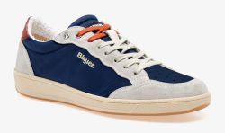 | MURRAY | S3MURRAY01/CSL | NVY/GRY | NAVY/GREY | 48 | 71.00 € | 3,408.00 € |  |  |  |  |  |  | 6 | 6 | 12 | 12 | 6 | 6
BLAUER | MEN |  | MURRAY | S3MURRAY01/CSL | NVY/GRY | NAVY/GREY | 8 | 71.00 € | 568.00 € |  |  |  |  |  | 1 | 2 | 2 | 2 | 1
BLAUER | MEN |  | MURRAY | S3MURRAY01/CSL | NVY/GRY | NAVY/GREY | 40 | 71.00 € | 2,840.00 € |  |  |  |  |  | 5 | 5 | 10 | 10 | 5 | 5
BLAUER | MEN |  | MURRAY | S3MURRAY01/CSL | NVY/GRY | NAVY/GREY | 10 | 71.00 € | 710.00 € |  |  |  |  |  | 1 | 2 | 2 | 2 | 2 | 1
BLAUER | MEN | 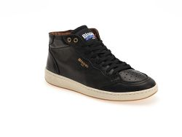 | MURRAY | S3MURRAY02/LEA | BLK | BLACK | 8 | 79.80 € | 638.40 € |  |  |  |  |  |  | 1 | 1 | 2 | 2 | 1 | 1
BLAUER | MEN | 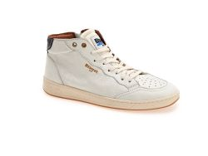 | MURRAY | S3MURRAY02/LEA | WHI | WHITE | 112 | 79.80 € | 8,937.60 € |  |  |  |  |  |  | 14 | 14 | 28 | 28 | 14 | 14
BLAUER | MEN |  | MURRAY | S3MURRAY02/LEA | WHI | WHITE | 16 | 79.80 € | 1,276.80 € |  |  |  |  |  | 2 | 4 | 4 | 4 | 2
BLAUER | MEN |  | MURRAY | S3MURRAY02/LEA | WHI | WHITE | 72 | 79.80 € | 5,745.60 € |  |  |  |  |  | 9 | 9 | 18 | 18 | 9 | 9
BLAUER | MEN |  | MURRAY | S3MURRAY02/LEA | WHI | WHITE | 50 | 79.80 € | 3,990.00 € |  |  |  |  |  | 5 | 10 | 10 | 10 | 10 | 5
BLAUER | MEN | 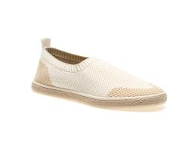 | RHODE | S3RHODE01/KNI | CRE | CREAM | 40 | 40.00 € | 1,600.00 € |  |  |  |  |  |  | 5 | 5 | 10 | 10 | 5 | 5
BLAUER | MEN |  | RHODE | S3RHODE01/KNI | CRE | CREAM | 8 | 40.00 € | 320.00 € |  |  |  |  |  | 1 | 2 | 2 | 2 | 1
BLAUER | MEN |  | RHODE | S3RHODE01/KNI | CRE | CREAM | 48 | 40.00 € | 1,920.00 € |  |  |  |  |  | 6 | 6 | 12 | 12 | 6 | 6
BLAUER | MEN |  | RHODE | S3RHODE01/KNI | CRE | CREAM | 90 | 40.00 € | 3,600.00 € |  |  |  |  |  | 9 | 18 | 18 | 18 | 18 | 9
BLAUER | MEN | 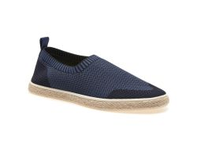 | RHODE | S3RHODE01/KNI | NVY | NAVY | 8 | 40.00 € | 320.00 € |  |  |  |  |  | 1 | 2 | 2 | 2 | 1
BLAUER | MEN |  | RHODE | S3RHODE01/KNI | NVY | NAVY | 72 | 40.00 € | 2,880.00 € |  |  |  |  |  | 9 | 9 | 18 | 18 | 9 | 9
BLAUER | MEN |  | RHODE | S3RHODE01/KNI | NVY | NAVY | 70 | 40.00 € | 2,800.00 € |  |  |  |  |  | 7 | 14 | 14 | 14 | 14 | 7
BLAUER | MEN |  | RHODE | S3RHODE01/KNI | NVY | NAVY | 20 | 40.00 € | 800.00 € |  |  |  |  |  |  | 2 | 4 | 4 | 4 | 4 | 2
BLAUER | MEN | 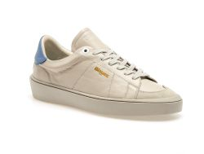 | STATEN | S3STATEN02/LES | BEI/AVI | BEIGE/AVIO | 12 | 75.40 € | 904.80 € |  |  |  |  |  | 1 | 2 | 3 | 3 | 2 | 1
BLAUER | MEN | 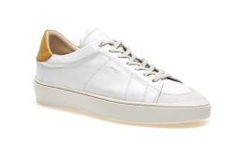 | STATEN | S3STATEN02/LES | WHI/OCR | WHITE/OCHRE | 40 | 75.40 € | 3,016.00 € |  |  |  |  |  | 5 | 5 | 10 | 10 | 5 | 5
BLAUER | MEN | 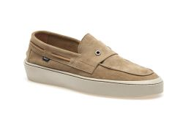 | STATEN | S3STATEN03/SUE | BEI | BEIGE | 24 | 75.40 € | 1,809.60 € |  |  |  |  |  | 3 | 3 | 6 | 6 | 3 | 3
BLAUER | MEN |  | STATEN | S3STATEN03/SUE | BEI | BEIGE | 10 | 75.40 € | 754.00 € |  |  |  |  |  | 1 | 2 | 2 | 2 | 2 | 1
BLAUER | MEN |  | STATEN | S3STATEN03/SUE | BEI | BEIGE | 12 | 75.40 € | 904.80 € |  |  |  |  |  | 1 | 2 | 3 | 3 | 2 | 1
BLAUER | MEN | 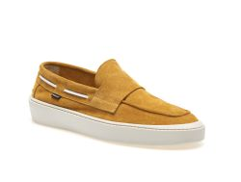 | STATEN | S3STATEN03/SUE | OCR | OCHRE | 24 | 75.40 € | 1,809.60 € |  |  |  |  |  |  | 3 | 3 | 6 | 6 | 3 | 3
BLAUER | MEN |  | STATEN | S3STATEN03/SUE | OCR | OCHRE | 8 | 75.40 € | 603.20 € |  |  |  |  |  | 1 | 2 | 2 | 2 | 1
BLAUER | MEN |  | STATEN | S3STATEN03/SUE | OCR | OCHRE | 24 | 75.40 € | 1,809.60 € |  |  |  |  |  | 3 | 3 | 6 | 6 | 3 | 3
BLAUER | MEN |  | STATEN | S3STATEN03/SUE | OCR | OCHRE | 30 | 75.40 € | 2,262.00 € |  |  |  |  |  | 3 | 6 | 6 | 6 | 6 | 3
BLAUER | MEN |  | STATEN | S3STATEN03/SUE | OCR | OCHRE | 12 | 75.40 € | 904.80 € |  |  |  |  |  | 1 | 2 | 3 | 3 | 2 | 1
 |  |  |  |  |  |  | 4,708 |  | 284,278.40 €

